Combination Results (radar char
 | Macronutrients & essential fatty acids |  |  |  |  |  |  |  |  |  | Vitamins |  |  |  |  |  |  |  |  |  |  |  |  | Minerals |  |  |  |  |  |  |  |  |  |  |  |  |  | Amino acids
No amount given? | #N/A |  |  |  |  |  |  |  |  | No amount given? | #N/A |  |  |  |  |  |  |  |  |  |  |  | No amount given? | #N/A |  |  |  |  |  |  |  |  |  |  |  |  | No amount given? | #N/A
Nutrient | Protein | Fat total | Saturated fats | Trans fats | Carbohydrates | Fiber | Sugars | Omega-3 (ALA) | Omega-6 (LA) | Nutrient | Vitamin A | Vitamin E | Vitamin D | Vitamin C | Thiamine (B1) | Riboflavin (B2) | Niacin (B3) | Vitamin B6 | Vitamin B12 | Vitamin K | Folate (B9) | Pantothenic Acid (B5) | Nutrient | Calcium | Iron | Magnesium | Phosphorus | Potassium | Sodium | Zinc | Copper | Manganese | Selenium | Iodine | Chromium | Molybdenum | Nutrient | Histidine | Isoleucine | Leucine | Lysine | Methionine | Cysteine | Phenylalanine | Tyrosine | Threonine | Tryptophan | Valine
% min adequate intake | #REF! | #REF! | #REF! | #REF! | #REF! | #REF! | #REF! | #REF! | #REF! | % min adequate intake | #REF! | #REF! | #REF! | #REF! | #REF! | #REF! | #REF! | #REF! | #REF! | #REF! | #REF! | #REF! | % min adequate intake | #REF! | #REF! | #REF! | #REF! | #REF! | #REF! | #REF! | #REF! | #REF! | #REF! | #REF! | #REF! | #REF! | % min adequate intake | #REF! | #REF! | #REF! | #REF! | #REF! | #REF! | #REF! | #REF! | #REF! | #REF! | #REF!
% max adequate intake | #REF! | #REF! | #REF! | #REF! | #REF! | #REF! | #REF! | #REF! | #REF! | % max adequate intake | #REF! | #REF! | #REF! | #REF! | #REF! | #REF! | #REF! | #REF! | #REF! | #REF! | #REF! | #REF! | % max adequate intake | #REF! | #REF! | #REF! | #REF! | #REF! | #REF! | #REF! | #REF! | #REF! | #REF! | #REF! | #REF! | #REF! | % max adequate intake | #REF! | #REF! | #REF! | #REF! | #REF! | #REF! | #REF! | #REF! | #REF! | #REF! | #REF!

Macronutrient intake
Vitamin intake
 | kcal | g
Total: | #VALUE! | #VALUE!
#VALUE! | #VALUE! | #VALUE!
#VALUE! | #VALUE! | #VALUE!
#VALUE! | #VALUE! | #VALUE!
#VALUE! | #VALUE! | #VALUE!
#VALUE! | #VALUE! | #VALUE!
Mineral intake
Aminoacid intake
#VALUE! | #VALUE! | #VALUE!
#VALUE! | #VALUE! | #VALUE!
#VALUE! | #VALUE! | #VALUE!
#VALUE! | #VALUE! | #VALUE!
#VALUE! | #VALUE! | #VALUE!
#VALUE! | #VALUE!
#VALUE! | #VALUE!
#VALUE! | #VALUE!
#VALUE! | #VALUE!
#VALUE! | #VALUE!
#VALUE! | #VALUE!
#VALUE! | #VALUE!
#VALUE! | #VALUE!
#VALUE! | #VALUE!
#VALUE! | #VALUE!

Deficiencies - workarounds
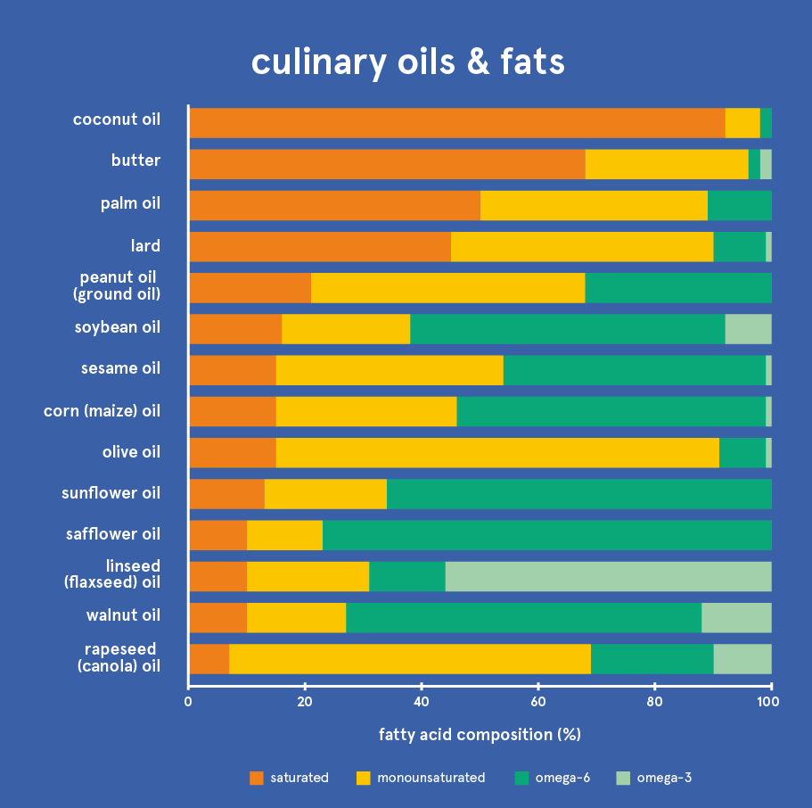
Micronutrient | Reason for inclusion | Sources available in a sunlight reduction scenario | Notes | Requirements (tonne/y) | Current industrial production resilient to ASRS (tonne/y) | Severity | Recoverability | Micronutrient | Estimated requirement (tonne/y) | Current production (tonne/y) | Sources and notes
Vitamin D | Deficiency in all periods, and considered by some to be widespread in all age groups in current times | Sunlight exposure, UV-treated biological sources (mushrooms, yeast, lichen), fish, dairy, kelp | The sunlight exposure method would require longer exposure time in an ASRS due to the reduction in overall solar irradiation. The current standard supplement production method is based on sheep wool, which may not be feasible in significant quantities in an ASRS. | 44 | 97 |  |  | Vitamin D | 44 | 97 | Based on sheep wool. May not be ASRS-resilient.
Vitamin E | Deficiency in all periods | Vegetable oil (canola, soybean, corn), fortification/supplementation (industrial chemical synthesis) | Current chemical synthesis capacity could cover a significant part of the minimum recommended requirements of the global population. | 43,800 | up to 42,600 |  |  | Vitamin E | 43,800 | up to 42,600
Vitamin K | Deficiency in all periods | Canola oil, some seaweeds, fermented foods (soybeans, etc) | Fermenting soybeans can increase their vitamin K2 content ~100-fold | 307 |  |  |  | Vitamin A | 2,000 | 7,500
Vitamin A | Moderate deficiency in period 3, also high severity and global prevalence in current times | Dairy, liver, fish, fortification/supplementation (industrial chemical synthesis) | Current global production via industrial synthesis appears sufficient to fulfill the minimum recommended requirements of the global population. | 2,044 | 7,500 |  |  | Vitamin B12 | 12 | 15
Vitamin B12 | Moderate deficiency in period 3 | Meat, organs, fish, single cell protein from methane- or hydrogen-oxidizing bacteria, fortification/supplementation (industrial biochemical synthesis) | Current global production via industrial synthesis appears sufficient to fulfill the minimum recommended requirements of the global population. | 12 | 15 |  |  | Calcium | 2,920,000 | 67,120,000 | Based on calcium carbonate and corrected for calcium content.
Omega-6 | Moderate deficiency in all periods | Vegetable oil (e.g. soybean, corn, canola) |  |  |  |  |  | Vitamin C | 240,900 | 220,000
Iodine | Deficiency in period 1, also high severity and global prevalence in current times | Seaweed, fish, shellfish, dairy, fortification/supplementation (mining). | Commonly used in fortification in the form of iodized salt. Seaweed is an excellent source which appears very suitable to avoid this deficiency in an ASRS. Additionally , current global production of iodine appears more than sufficient to fulfill the minimum recommended requirements of the global population. | 438 |  |  |  | Vitamin B1 | 3,400 | 4,000
Calcium | Deficiency in all periods, and estimated to be widespread now | Dairy, fish bones, fortification/supplementation (mining). | Current global production of calcium carbonate alone appears more than sufficient to fulfill the minimum recommended requirements of the global population. | 2,920,000 | 67,120,000 |  |  | Vitamin B6 | 4,800 | 2,500
Vitamin C | Common in famines and displaced persons, high severity | More potatoes, fortification/supplementation (industrial chemical synthesis), some seaweeds. | Current global production via industrial synthesis appears sufficient to fulfill the minimum recommended requirements of the global population. | 240,900 | 220,000 |  |  | Iron | 39,400 | 67,900 | Based on ferrous sulphate and corrected for iron content.
Vitamin B1 | Common in famines and displaced persons, high severity | Single cell protein from methane- or hydrogen-oxidizing bacteria, fortification/supplementation (industrial chemical synthesis) | Current global production via industrial synthesis appears sufficient to fulfill the minimum recommended requirements of the global population. | 3,358 | 4,000 |  |  | Zinc | 27,700 | 35,400 | Based on zinc sulphate and corrected for zinc content.
Vitamin B3 | Common in famines and displaced persons, high severity | Potatoes, whole wheat, barley, brown rice, mushrooms, fish, meat, organs, dairy, single cell protein from methane- or hydrogen-oxidizing bacteria
Vitamin B6 | Common in famines and displaced persons, high severity | Fortification/supplementation (industrial chemical synthesis) | Current chemical synthesis capacity could cover a significant part of the minimum recommended requirements of the global population. | 4,818 | 2,500
Iron | High severity and global prevalence in current times | Meat, organs, fortification/supplementation (mining), single cell protein from methane- or hydrogen-oxidizing bacteria | Current global production of ferrous sulphate only is more than sufficient to fulfill the minimum recommended requirements of the global population | 39,420 | 67,919
Zinc | High severity and global prevalence in current times | Fortification/supplementation (mining), meat, organs, shellfish, dairy, single cell protein from methane- or hydrogen-oxidizing bacteria | Current global production of zinc sulphate only is sufficient to fulfill the minimum recommended requirements of the global population | 27,740 | 35,360

*Note: As stated previously, the difference in properties and bioavailability of different vitamin forms (vitamers) found in different sources have not been considered.

Have a paragraph where you discuss that industrial supplement capacity appears sufficient for x,y,z vitamins and these minerals, but without mentioning the minerals on the table
add caveat on bioavailability/absorption of supplements?
Does a micronutrient strategic stockpile make sense? Probably, at the very least for cheap minerals that don't lose potency over time

Main sources:
https://link.springer.com/content/pdf/10.1007/BF03391600.pdf
https://onlinelibrary.wiley.com/doi/10.1002/anie.201205886 |  |  | The World Health Organization (WHO) considers that more than 2 billion people worldwide suffer from vitamin and mineral defi ciencies, primarily iodine, iron, vitamin A and zinc, with important health consequences.1
https://books.google.es/books?id=go2ADwAAQBAJ |  |  | the most effective way to meet community health needs safely is by population based approaches involving food fortifi cation

 |  |  | Info on severity and recoverability:
https://ourworldindata.org/micronutrient-deficiency |  |  | https://docs.google.com/spreadsheets/d/1R6WuDAMh4a3CVP8HocgkYK1ZfXRlNV4YUoDEIIShxNs/edit#gid=2092506913

Microbes produce five vitamins commercially: vitamin B12 (cyanocobalamin), ascorbic acid (vitamin C), riboflavin (vitamin B2), pantothenic acid (vitamin B5), and biotin.

